Test Report
Default Test Run Report

Project Name |  |  | Project 1
User Name |  |  | MTS
Test Name |  |  | MME 3407_S20 50mm Gage Length ASTM E8 Metals Tension (Extensometer-Crosshead) 57
Test Run Name |  |  | Test Run 1
Test Run Date |  |  | 2/16/2021 4:24:33 PM

Test Run Review Graph
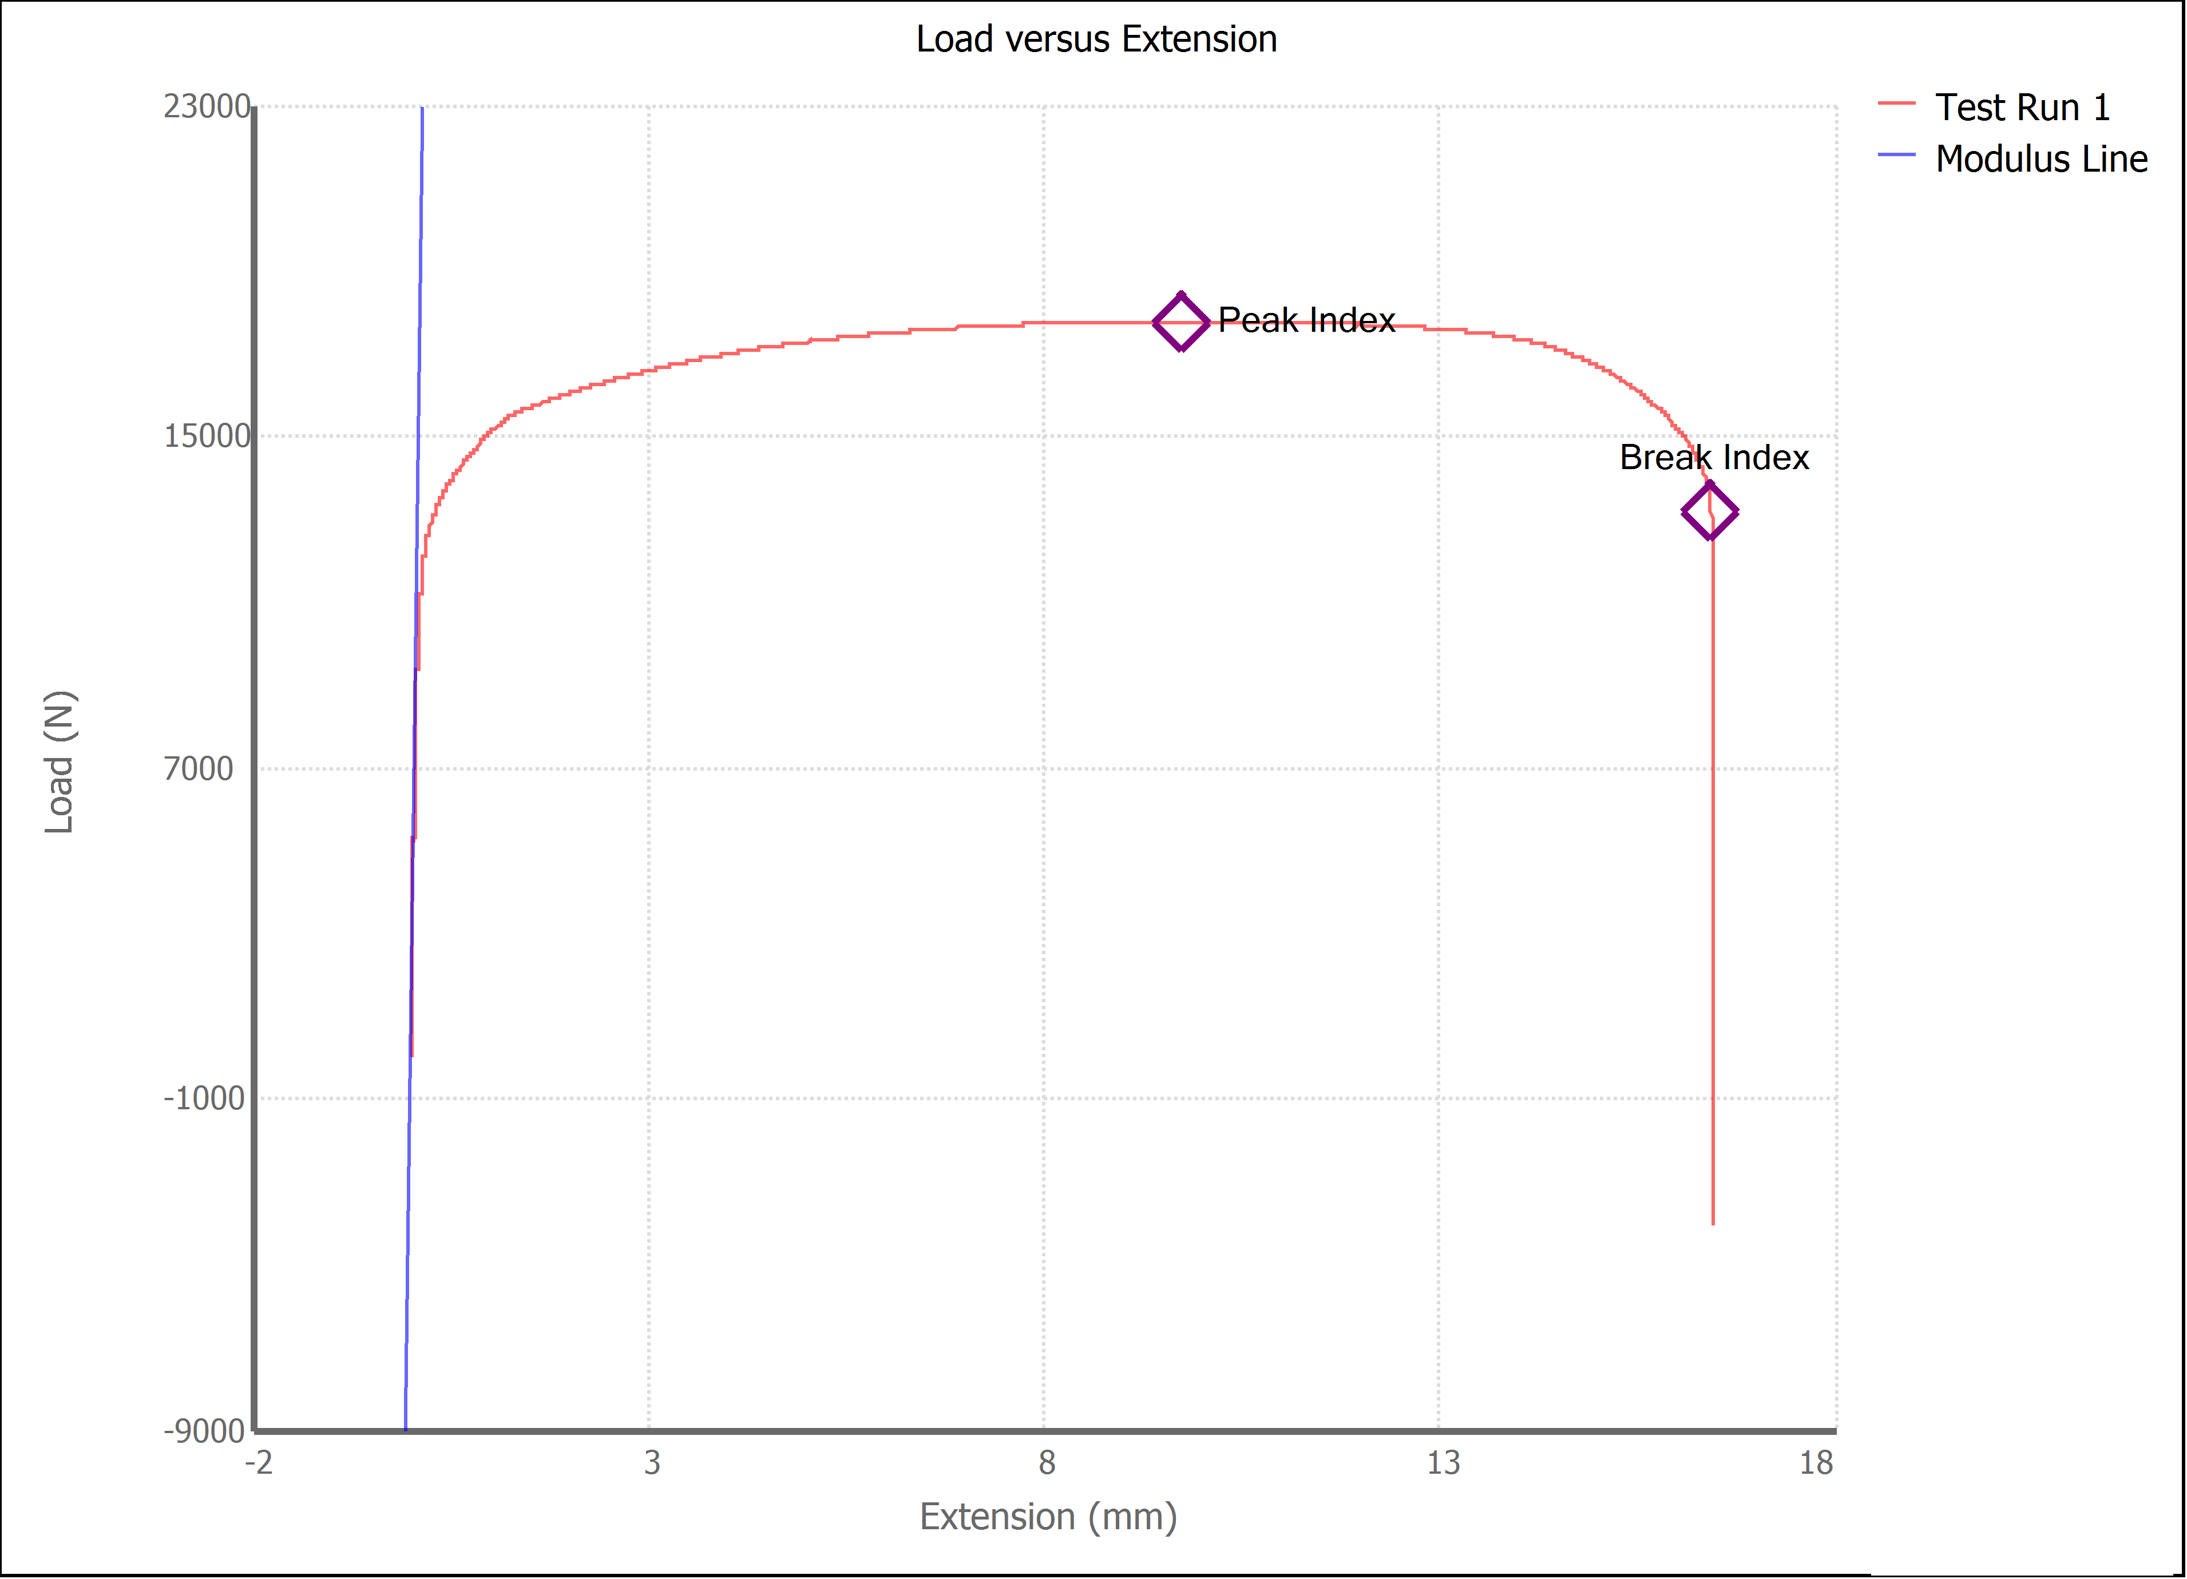

Test Run Results:
Display Name | Value | Unit
Test Run End Reason | Break Detected
Width | 13.400 | mm
Thickness | 3.150 | mm
Final Width | 11.230 | mm
Final Thickness | 1.970 | mm
Test ID
Initial Marked Gage Length | 50.000 | mm
Maximum Force | 3995.834 | lbf
Maximum Stress | 421.1 | MPa
Elongation at Fracture | 27.804 | %
Elongation after Break | 30.440 | %
Upper Yield strength | 408.030 | MPa
Modulus of Elasticity | 164382.396 | MPa
Yield Strength (Offset = 0.2%) | 292.825 | MPa
Yield Strength (EUL = 0.5%) | 304.343 | MPa
Removal Point | 1.250 | mm
Ultimate Tensile Strength | 421.093 | MPa
Reduction of Area | 47.5880 | %
Lower Yield Strength | #NUM! | MPa
Final Marked Gage Length | 65.220 | mm

